Sheet3
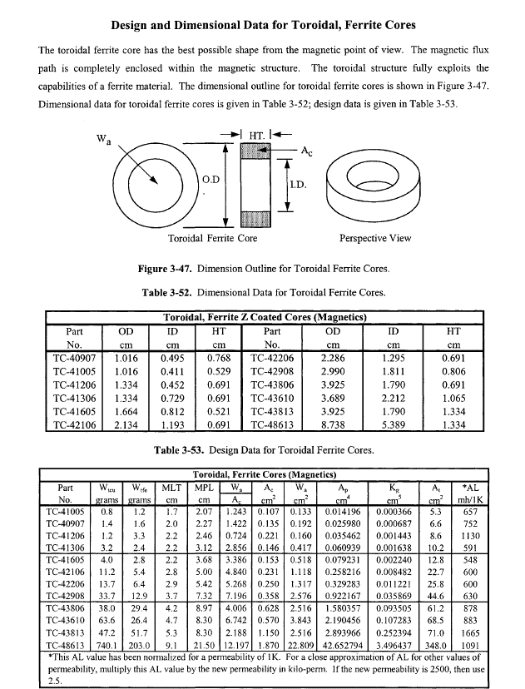
Inductor Design
 |  |  |  |  |  | Core Dimensions
 | B(T) | Number of Turns | Current (A) | Reluctance(A-t/Wb) | Inductance(mH) | A (mm) | B (mm) | C (mm) | Ae(mm^2) | le(mm) | Ve(mm^3) | Permeability | u_0 | Saturation Flux Density (mT)
 | 0.41518845642 | 25 | 0.1 | 439515.47545 | 1.4220204632 | 9.53 | 5.59 | 7.11 | 13.7 | 22.7 | 310 | 3000 | 1.2566370614E-06 | 470
 |  |  |  |  | 1.4220204632

 |  |  |  | 146315.49183
 |  |  |  |  |  |  |  |  |  |  |  |  |  |  | B_dc_max(T) | B_ac_max(T)

